pivot table
Average Income Per Purchase
Average of Income | Column Labels
Row Labels | Yes | No
Female | 55,774 | 53,440
Male | 60,124 | 56,208

Customer Distance
Count of Purchased Bike | Column Labels
Row Labels | Yes | No
0-1 Miles | 200 | 166
1-2 Miles | 77 | 92
2-5 Miles | 95 | 67
5-10 Miles | 76 | 116
10+ Miles | 33 | 78

Customer age
Count of Purchased Bike | Column Labels
Row Labels | Yes | No
middle-aged 31-55 | 388 | 331
young 18-30 | 39 | 71
senior citizen 55+ | 54 | 117

dashboard
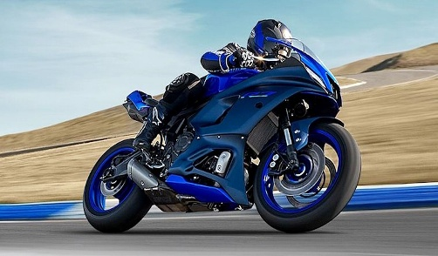
Customer's age
 | Yes | No
middle-aged 31-55 | 388 | 331
young 18-30 | 39 | 71
senior citizen 55+ | 54 | 117
Bike Sales Analysis

Average Income Per Purchase
 | Yes | No
Female | 55,774 | 53,440
Male | 60,124 | 56,208

Customer's Daily Distance
 | Yes | No
0-1 Miles | 200 | 166
1-2 Miles | 77 | 92
2-5 Miles | 95 | 67
5-10 Miles | 76 | 116
10+ Miles | 33 | 78

